Sheet2
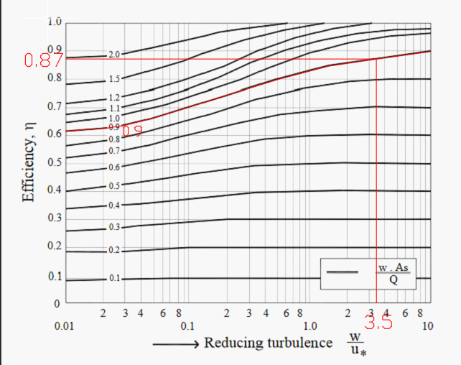
Design flow(Qc) |  | 106
 |  | 3 |  |  | 0.01876
 |  | 35.333333333
 | Qf | 14 |  |  |  |  |  |  |  |  |  | 0.023555555556
 |  | 4.9466666667 |  |  |  |  |  |  |  |  |  | 3.9259259259
 | Qd | 37.806666667
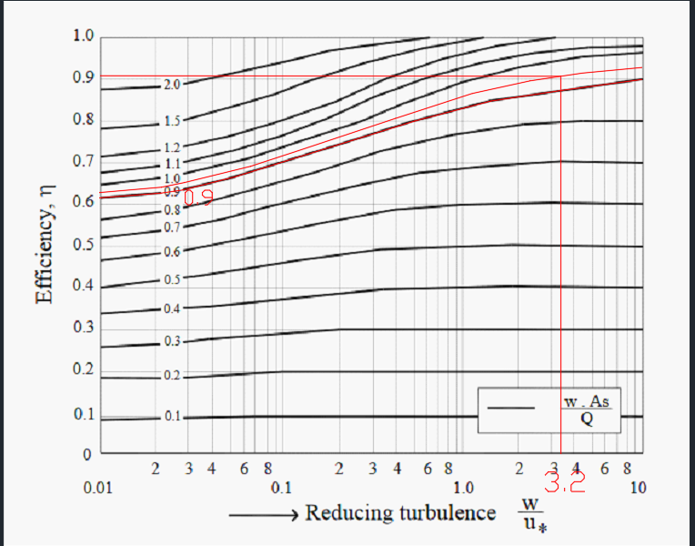
H | 10 |  | Vm | A | B | Vm' | P | R | u | L flushing | L/B | As | k | k*As | efficiency | w | w*As/Q | w/u*
 |  |  | 0.2 | 189.03 | 20 | 0.189 | 40 | 5.00 | 0.00607 | 90 | 4.50 | 1800 | 1 | 1800 | 0.568 | 0.022 | 1.0000 | 3.69
 |  |  | 0.21 | 180.03 | 20 | 0.189 | 40 | 5.00 | 0.00607 | 90 | 4.50 | 1800 | 1 | 1800 | 0.568 | 0.022 | 1.0000 | 3.69
 |  |  | 0.22 | 171.85 | 20 | 0.189 | 40 | 5.00 | 0.00607 | 90 | 4.50 | 1800 | 1 | 1800 | 0.568 | 0.022 | 1.0000 | 3.69
 |  |  | 0.23 | 164.38 | 24 | 0.158 | 44 | 5.45 | 0.00499 | 130 | 5.42 | 3120 | 1 | 3120 | 0.766 | 0.013 | 1.0000 | 2.59
 |  |  | 0.24 | 157.53 | 20 | 0.189 | 40 | 5.00 | 0.00607 | 90 | 4.50 | 1800 | 1 | 1800 | 0.568 | 0.022 | 1.0000 | 3.69
 |  |  | 0.25 | 151.23 | 20 | 0.189 | 40 | 5.00 | 0.00607 | 90 | 4.50 | 1800 | 1 | 1800 | 0.568 | 0.022 | 1.0000 | 3.69
 |  |  | 0.26 | 145.41 | 15 | 0.252 | 35 | 4.29 | 0.00831 | 105 | 7.00 | 1575 | 1 | 1575 | 0.520 | 0.026 | 1.0000 | 3.08
 |  |  | 0.27 | 140.02 | 15 | 0.252 | 35 | 4.29 | 0.00831 | 105 | 7.00 | 1575 | 1 | 1575 | 0.520 | 0.026 | 1.0000 | 3.08
 |  |  | 0.28 | 135.02 | 15 | 0.252 | 35 | 4.29 | 0.00831 | 105 | 7.00 | 1575 | 1 | 1575 | 0.520 | 0.026 | 1.0000 | 3.08
 |  |  | 0.29 | 130.37 | 15 | 0.252 | 35 | 4.29 | 0.00831 | 105 | 7.00 | 1575 | 1 | 1575 | 0.520 | 0.026 | 1.0000 | 3.08
 |  |  | 0.3 | 126.02 | 15 | 0.252 | 35 | 4.29 | 0.00831 | 105 | 7.00 | 1575 | 1 | 1575 | 0.520 | 0.026 | 1.0000 | 3.08

